NOUSEEmi2
*NOUSE-because all auxiliary energy use for mining, production, refining are all related to industrial energy, so the carbon bustion will be show up in the industry secor

 | CommName | SUPCOA | SUPRPG | SUPCRD | SUPGAS | SUPBIO | SUPRPP
 | SUPCO2N | 90.333333333 | 61 | 76.4 | 50 |  | 86

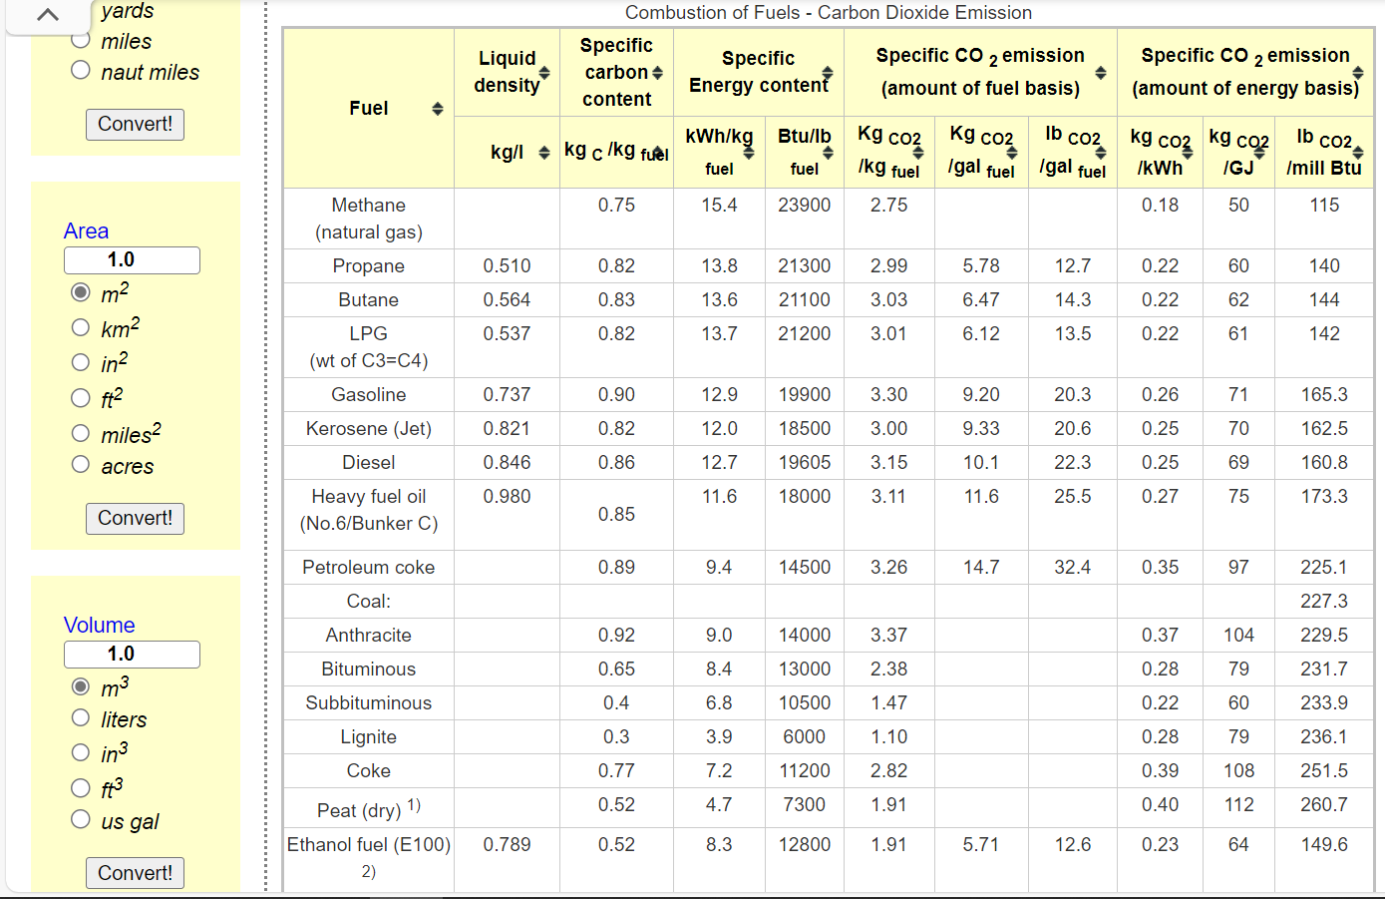

 |  |  |  |  |  |  |  | OILOTH | OILRFG
 |  |  |  |  |  |  |  | 0.00 | 0.00

NOUSEEmi
 |  |  |  |  | *The factor for COHRSV and COLRSV comes from EU-TIMES
CommName | GASPIP | OILPIP | COHRSV | COLRSV
SUPCO2N | 11 | 17 | 96 | 96 | *https://www.iea.org/reports/emissions-from-oil-and-gas-operations-in-net-zero-transitions#overview
 |  |  |  |  | *To convert barrels of oil to petajoules (PJ), you need to know the energy content of the oil. The energy content varies depending on the type of oil. On average, one barrel of oil contains about 6.1 gigajoules (GJ) or 0.0061 petajoules (PJ) of energy. So, 1 barrel of oil is approximately 0.0061 PJ. | 17.049180328

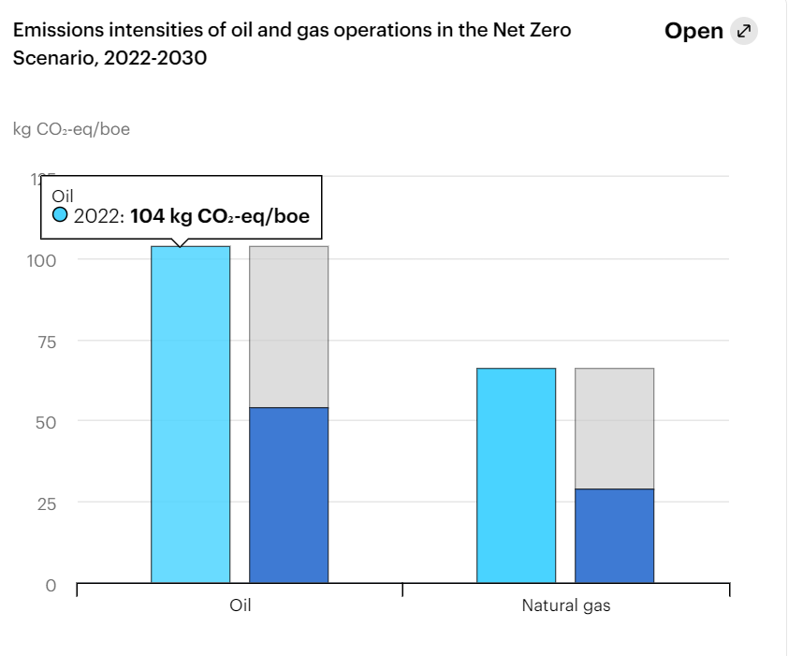

 |  |  | SUPBIO | 15
 |  |  | SUPCOA | 104
 |  |  | SUPCRD | 78
 |  |  | SUPGAS | 0
 |  |  | SUPRPG | 59
 |  |  | SUPRPP | 172

